Sheet1
Step 1: Data Given | sepal_length | sepal_width | petal_length | petal_width |  | cat
 | 5.1 | 3.5 | 1.4 | 0.2 |  | Iris-setosa
 | 7 | 3.2 | 4.7 | 1.4 |  | Iris-versicolor
 | 6.3 | 3.3 | 6 | 2.5 |  | Iris-virginica

Step 1: Data Preperation Step 1: One hot code | sepal_length | sepal_width | petal_length | petal_width |  | Iris-setosa | Iris-versicolor | Iris-virginica
 | 5.1 | 3.5 | 1.4 | 0.2 |  | 1 | 0 | 0
 | 7 | 3.2 | 4.7 | 1.4 |  | 0 | 1 | 0
 | 6.3 | 3.3 | 6 | 2.5 |  | 0 | 0 | 1

Step 1: Data Preperation Step 1: Transform | sepal_length | 5.1 | 7 | 6.3 |  |  | Iris-setosa | Iris-versicolor | Iris-virginica
 | sepal_width | 3.5 | 3.2 | 3.3 |  |  | 1 | 0 | 0
 | petal_length | 1.4 | 4.7 | 6 |  |  | 0 | 1 | 0
 |  |  |  |  |  |  | 0 | 0 | 1
 | petal_width | 0.2 | 1.4 | 2.5
Forward Propogation | relu(hidden layer)->Softmax
Hidden Layer Number of Neurons | 3 |  |  |  |  |  |  |  |  |  |  |  |  |  |  |  |  |  |  |  |  |  |  |  |  | Predicted |  |  | Actual
X(Features,Number of Samples) |  |  |  |  | W1(feature Size,Hidden Layer Number of Neurons) |  |  |  | b1(Hidden Layer Number of Neurons) |  |  | Hidden Layer Input(X.W+b)(Size=Hidden Layer Number of Neurons) |  | Layer 1 Output Hidden Layer Input Activation (Relu(Hidden Layer Input))(Size: hidden layer number of Neurons) |  |  | W2(Shape=Hidden Layer Node Number, Output number of classes) |  |  | B2 Bias Size (Output Number of Classes) |  |  | Layer 2 Output(Hidden Layer Output Activation*W2+b2) |  |  | Softmax(Output) |  |  |  |  |  |  |  | Error(Actual - Predicted) |  |  | Cross Entropy Loss Step 1. Class Level |  |  | Overall Cross Entropy Loss Step 2 |  |  | Overall Cross Entropy Loss
 | Sample 1 | Sample 2 | Sample 3 | Sample 4 |  | Hidden Laye1 Weight | Hidden Laye2 Weight | Hidden Laye3 Weight |  |  |  | Sample 1 Hidden Layer Inpus | Placeholder for Next Sample Hidden Layer Inpus | Sample 1 Inputs to Activation(Relu) | Sample 2 Inputs to Activation | Sample N Inputs to Activation |  |  |  |  |  |  | Sample 1 Hidden Layer 2 Inpus | Sample 1 Hidden Layer 2 Inpus | Sample N Hidden Layer 2 Inpus | Sample 1 Softmax Output | Sample 2 Softmax Output | Sample N Softmax Output |  | Sample 1 | Sample 2 | Sample 3 | Sample N |  |  |  | Class Level Loss Sample 1 | Class Level Loss Sample 2 | Class Level Loss Sample N | Loss Sample 1 | Loss Sample 2 | Loss Sample N | over multiple training example
sepal_length | 5.1 | 7 | 6.3 | 6.3 | Weight Feature 1 | 1 | 1 | 1 | Bias Hidden Laye 1 | 1 |  | 11.2 |  | 11.2 |  |  | 1 | 1 | 1 | 1 | 1 | 1 | 34.6 |  |  | 0.33333333333 | Yet to be filled | Yet to be filled | Iris-setosa | 1 | 0 | 0 |  | 0.67 | #VALUE! | #VALUE! | 1.2324157743 |  |  | 0.77031765397 |  |  | 0.77031765397
sepal_width | 3.5 | 3.2 | 3.3 | 3.3 | Weight Feature 2 | 1 | 1 | 1 | Bias Hidden Laye 2 | 1 |  | 11.2 |  | 11.2 |  |  | 1 | 1 | 1 |  |  |  | 34.6 |  |  | 0.33333333333 | Yet to be filled | Yet to be filled | Iris-versicolor | 0 | 1 | 0 |  | -0.33 | #VALUE! | #VALUE! | 0.53926859378
petal_length | 1.4 | 4.7 | 6 | 6 | Weight Feature 3 | 1 | 1 | 1 | Bias Hidden Laye 3 | 1 |  | 11.2 |  | 11.2 |  |  | 1 | 1 | 1 |  |  |  | 34.6 |  |  | 0.33333333333 | Yet to be filled | Yet to be filled | Iris-virginica | 0 | 0 | 1 |  | -0.33 | #VALUE! | #VALUE! | 0.53926859378
petal_width | 0.2 | 1.4 | 2.5 | 2.5 | Weight Feature 4 | 1 | 1 | 1

Back Propogation
Step 1. Weight 2 Updates with respect to error.

Matrix of cross-entropy derivatives wrt output
 |  |  |  |  |  |  | For our example at Layer 2
 |  |  |  |  |  |  | Sample 1
 |  |  |  |  |  |  | Out | Actual y | d(e)/d(out)
 |  |  |  |  |  | Out1 | 0.33333333333 | 1 | -3
 |  |  |  |  |  | Out2 | 0.33333333333 | 0 | -1.5
 |  |  |  |  |  | Out3 | 0.33333333333 | 0 | -1.5

Matrix of Derivative of softmax wrt output layer input. |  |  |  |  |  |  | For our example at Layer 2
 |  |  |  |  |  |  | Sample 1
 |  |  |  |  |  |  | e(Oin) | d(Out)/d(In)
 |  |  |  |  |  | e(Oin 1) | 1.0631366104E+15 | 0.22222222222
 |  |  |  |  |  | e(Oin 2) | 1.0631366104E+15 | 0.22222222222
 |  |  |  |  |  | e(Oin 3) | 1.0631366104E+15 | 0.22222222222

Derivative of input to output layer wrt weight

values of derivative of input to output layer wrt weights.
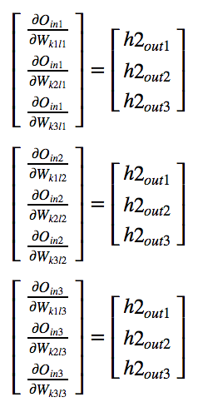
 |  |  |  | For our example at Layer 2
 | 11.2 |  |  | Sample 1
 | 11.2 |  |  | hidden layer 2(Relu) Output | d(Oin)/d(Weights)
 | 11.2 |  | hidden layer 2 Output 1 | 11.2 | 11.2
 |  |  | hidden layer 2 Output 2 | 11.2 | 11.2
 |  |  | hidden layer 2 Output 3 | 11.2 | 11.2

 | 11.2
 | 11.2
 | 11.2

 | 11.2
 | 11.2
 | 11.2

Change in W2 is nothing but change of error with repect to W. Chain Rule.

Change in W2: Matrix Form of all derivatives in layer-2 |  |  |  |  |  |  |  |  | For our example at Layer 2
 |  |  |  |  |  |  |  |  | Sample 1
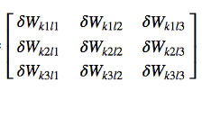
 |  |  |  |  |  |  |  | De/Dout | Dout/din | Din1/Dw | Din2/Dw | Din3/Dw
 |  |  |  |  |  |  |  | -3 | 0.22222222222 | 11.2 | 11.2 | 11.2
 |  |  |  |  |  |  |  | -1.5 | 0.22222222222 | 11.2 | 11.2 | 11.2
 |  |  |  |  |  |  |  | -1.5 | 0.22222222222 | 11.2 | 11.2 | 11.2

 |  |  |  |  |  |  |  | W2 Derivatives by Substituting
 |  |  |  |  |  |  |  | -7.4666666667 | -3.7333333333 | -3.7333333333
 |  |  |  |  |  |  |  | -7.4666666667 | -3.7333333333 | -3.7333333333
 |  |  |  |  |  |  |  | -7.4666666667 | -3.7333333333 | -3.7333333333

W2 Updates |  |  |  |  | W2 Updated Based on Sample 1 and learning rate 0.001

 |  |  |  |  | 1.0074666667 | 1.0037333333 | 1.0037333333
 |  |  |  |  | 1.0074666667 | 1.0037333333 | 1.0037333333
 |  |  |  |  | 1.0074666667 | 1.0037333333 | 1.0037333333

Step 2: W1 Updates. | BackPropagating the error — (Input Layer — Hidden Layer 1) Weights.
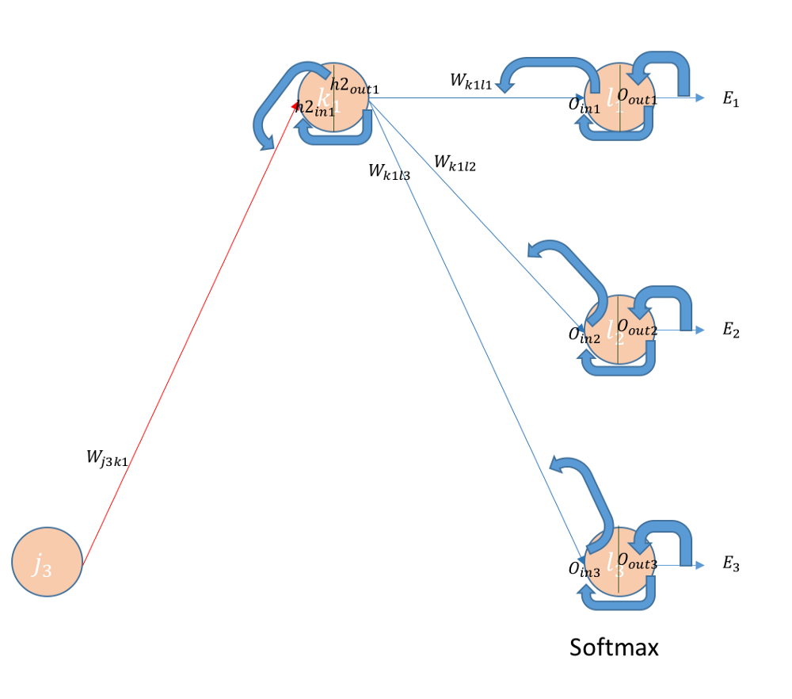

Note: Read J3 as I3. (Input 3)
The Chain rule: The Change in Error with Respect to W1, For example: The weight related to feature 2.

Derivative of the hidden layer with repect to input. For example: Derivative of hidden layer 1 output wrt to its input

Derivative of Relu.
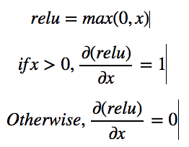

If the inputs are possitive as in our case, then derivative are 1
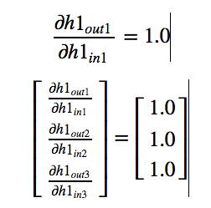

 |  | For our example at Layer 1
 |  | Sample 1
 |  | hout (Relu Output) | Dh(out)/Dh(in)
 |  | 11.2 | 1
 |  | 11.2 | 1
 |  | 11.2 | 1

Derivative of input to hidden layer wrt to weights

By symmetry
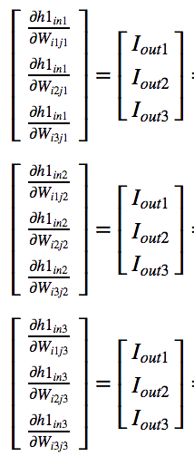
 |  |  | For our example at Layer 1 (Note: We have 4 Features)
 | 5.1 |  | Sample 1
 | 3.5 |  | Inputs | Dh(in)/Weight
 | 1.4 |  | 5.1 | 5.1
 | 0.2 |  | 3.5 | 3.5
 |  |  | 1.4 | 1.4
 |  |  | 0.2 | 0.2

 | 5.1
 | 3.5
 | 1.4
 | 0.2

 | 5.1
 | 3.5
 | 1.4
 | 0.2

Finding W1 Derivative

By Symmetry

We know the 2nd and 3rd derivatives in each cell in the above matrix. Let us look at how to get to derivative of 1st term in each cell.
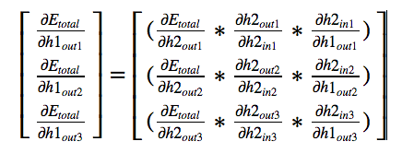

We have calculated all the values previously except the last one in each cell, which is a simple derivative of linear terms.

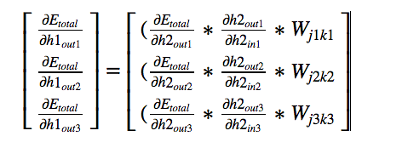
 |  |  | For our example: Sample 1

Finally..

W1 Updation

Modified from excellent post: https://becominghuman.ai/back-propagation-is-very-simple-who-made-it-complicated-97b794c97e5c

